Table 1
Sprint Backlog
 | Sprint Id | Backlog Id | Description | Owner | Status | Estimate (Hours) | Completed | Pending | Total effort | Effort vs. Estimate | Day 1 | Day 2 | Day 3 | Day 4 | Day 5 | Day 6 | Day 7 | Day 8 | Day 9 | Day 10 | Day 11 | Day 12 | Day 13 | Day 14 | Day 15 | Day 16 | Day 17 | Day 18 | Day 19 | Day 20 | Day 21 | Day 22 | Day 23 | Day 24 | Day 25 | Day 26
 | 1 |  | Sprint Plan Meeting | All member | Done | 4 | 4 | 0 | 4 | 0 | 4
 | 1, 1 |  | Create Sprint Backlog for Sprint | All member | Done | 10 | 10 | 0 | 10 | 0 | 10
 | 1, 2 |  | Create Test Plan for Sprint 3 | Manh, Vy, Quan | Done | 10 | 10 | 0 | 10 | 0 |  | 10
 | 1, 3 | PB09 | Design UI | Manh, Vy | Done | 5 | 5 | 0 | 6 | 1 |  |  | 5
 | 1, 4 | PB09 | Design Database | Lich | Done | 10 | 10 | 0 | 10 | 0 |  |  | 10
 | 1, 5 | PB09 | Code BE | Kien | Done | 35 | 35 | 0 | 38 | 3 |  |  |  |  |  |  |  |  |  |  |  |  | 35
 | 1, 6 | PB09 | Code FE | Manh, Vy | Done | 30 | 30 | 0 | 35 | 5 |  |  |  |  |  |  |  |  |  | 30
 | 1, 7 | PB09 | Test & fix bug | All | Done | 5 | 5 | 0 | 8 | 3 |  |  |  |  |  |  |  |  |  |  |  |  |  | 5
 | 1, 8 | PB18 | Design UI | Manh, Vy | Done | 5 | 5 | 0 | 6 | 1 |  |  |  | 5
 | 1, 9 | PB18 | Design Database | Lich | Done | 5 | 5 | 0 | 5 | 0 |  |  |  | 5
 | 1, 10 | PB18 | Code BE | Kien | Done | 25 | 25 | 0 | 30 | 5 |  |  |  |  |  |  |  |  |  |  |  |  |  |  |  | 25
 | 1, 11 | PB18 | Code FE | Manh, Vy | Done | 25 | 25 | 0 | 30 | 5 |  |  |  |  |  |  |  |  |  |  |  |  |  | 25
 | 1, 12 | PB18 | Test & fix bug | All | Done | 5 | 5 | 0 | 8 | 3 |  |  |  |  |  |  |  |  |  |  |  |  |  |  |  |  |  |  |  |  |  | 5
 | 1, 13 | PB20 | Design UI | Manh, Vy | Done | 5 | 5 | 0 | 6 | 1 |  |  |  |  | 5
 | 1, 14 | PB20 | Design Database | Lich | Done | 5 | 5 | 0 | 5 | 0 |  |  |  | 5
 | 1, 15 | PB20 | Code BE | Kien | Done | 15 | 15 | 0 | 17 | 2 |  |  |  |  |  |  |  | 15
 | 1, 16 | PB20 | Code FE | Manh, Vy | Done | 15 | 15 | 0 | 16 | 1 |  |  |  |  |  |  |  |  | 10
 | 1, 17 | PB20 | Test & fix bug | All | Done | 5 | 5 | 0 | 8 | 3 |  |  |  |  |  |  |  |  |  | 5
 | 1, 18 | PB24 | Design UI | Manh, Vy | Done | 5 | 5 | 0 | 6 | 1 |  |  |  |  |  | 5
 | 1, 19 | PB24 | Design Database | Lich | Done | 5 | 5 | 0 | 5 | 0 |  |  |  |  | 5
 | 1, 20 | PB24 | Code BE | Kien | Done | 25 | 25 | 0 | 28 | 3 |  |  |  |  | 25
 | 1, 21 | PB24 | Code FE | Manh, Vy | Done | 25 | 25 | 0 | 28 | 3 |  |  |  |  |  |  |  |  |  |  |  | 25
 | 1, 22 | PB24 | Test & fix bug | All | Done | 5 | 5 | 0 | 8 | 3 |  |  |  |  |  |  |  |  |  |  |  |  | 5
 | 1, 23 | PB10 | Design UI | Manh, Vy | Done | 5 | 5 | 0 | 8 | 3 |  |  |  |  |  | 5
 | 1, 24 | PB10 | Design Database | Lich | Done | 10 | 10 | 0 | 10 | 0 |  |  |  |  |  |  | 10
 | 1, 25 | PB10 | Code BE | Kien | Overtimed | 30 | 30 | 0 | 35 | 5 |  |  |  |  |  |  |  |  |  |  |  |  |  |  |  |  |  |  |  |  |  |  |  |  |  | 25
 | 1, 26 | PB10 | Code FE | Manh, Vy | Done | 25 | 25 | 0 | 30 | 5 |  |  |  |  |  |  |  |  |  |  |  |  |  |  | 25
 | 1, 27 | PB10 | Test & fix bug | All | Overtimed | 5 | 5 | 0 | 8 | 3 |  |  |  |  |  |  |  |  |  |  |  |  |  |  |  |  |  |  |  |  |  |  |  |  |  | 5
 | 1, 28 | PB12 | Design UI | Manh, Vy | Done | 5 | 5 | 0 | 7 | 2 |  |  |  |  |  |  | 5
 | 1, 29 | PB12 | Code BE | Kien | Done | 15 | 15 | 0 | 18 | 3 |  |  |  |  |  |  |  |  |  |  |  |  |  |  |  |  | 15
 | 1, 30 | PB12 | Code FE | Manh, Vy | Done | 10 | 10 | 0 | 10 | 0 |  |  |  |  |  |  |  |  |  |  |  |  |  |  |  |  |  | 10
 | 1, 31 | PB12 | Test & fix bug | All | Done | 5 | 5 | 0 | 8 | 3 |  |  |  |  |  |  |  |  |  |  |  |  |  |  |  |  |  |  |  |  |  | 5
 | 1, 32 | PB11 | Design UI | Manh, Vy | Done | 5 | 5 | 0 | 8 | 3 |  |  |  |  |  |  | 5
 | 1, 33 | PB11 | Code FE | Manh, Vy | Done | 10 | 10 | 0 | 20 | 10 |  |  |  |  |  |  |  |  |  |  |  |  |  |  |  |  |  |  |  |  |  |  |  |  |  | 8
 | 1, 34 | PB11 | Test & fix bug | All | Overtimed | 5 | 5 | 0 | 10 | 5 |  |  |  |  |  |  |  |  |  |  |  |  |  |  |  |  |  |  |  |  |  |  |  |  |  | 3
 | 1, 35 |  | Sprint review | All member | Done | 4 | 4 | 0 | 4 | 0 |  |  |  |  |  |  |  |  |  |  |  |  |  |  |  |  |  |  |  |  |  |  |  |  |  | 4
 | 1, 36 |  | Sprint retrospective | All member | Done | 4 | 4 | 0 | 4 | 0 |  |  |  |  |  |  |  |  |  |  |  |  |  |  |  |  |  |  |  |  |  |  |  |  |  | 4
 | 1, 37 |  | Release & Closing | All member | Done | 2 | 2 | 0 | 2 | 0 |  |  |  |  |  |  |  |  |  |  |  |  |  |  |  |  |  |  |  |  |  |  |  |  |  | 2

 |  |  |  |  | Total | 424 | 424 | 0 | 509 | 85 | 14 | 10 | 15 | 15 | 35 | 10 | 20 | 15 | 10 | 35 | 0 | 25 | 40 | 30 | 25 | 25 | 15 | 10 | 0 | 0 | 0 | 10 | 0 | 0 | 0 | 51
 |  |  |  |  | Burn down |  |  |  |  |  | 410 | 400 | 385 | 370 | 335 | 325 | 305 | 290 | 280 | 245 | 245 | 220 | 180 | 150 | 125 | 100 | 85 | 75 | 75 | 75 | 75 | 65 | 65 | 65 | 65 | 14
 |  |  |  |  | Burn up |  |  |  |  |  | 14 | 24 | 39 | 54 | 89 | 99 | 119 | 134 | 144 | 179 | 179 | 204 | 244 | 274 | 299 | 324 | 339 | 349 | 349 | 349 | 349 | 359 | 359 | 359 | 359 | 410

 |  |  |  |  |  |  |  |  | Worked hours/Day |  | 1 | 2 | 3 | 4 | 5 | 6 | 7 | 8 | 9 | 10 | 11 | 12 | 13 | 14 | 15 | 16 | 17 | 18 | 19 | 20 | 21 | 22 | 23 | 24 | 25 | 26 | Total hours
 |  |  |  |  |  |  |  |  | Kien |  | 4 | 4 | 4 | 3 | 2 | 2 | 2 | 6 | 4 | 4 | 3 | 3 | 3 | 6 | 3 | 3 | 4 | 4 | 4 | 5 | 3 | 6 | 6 | 4 | 4 | 4 | 100
 |  |  |  |  |  |  |  |  | Lich |  | 4 | 4 | 4 | 4 | 3 | 4 | 2 | 3 | 4 | 4 | 3 | 4 | 4 | 3 | 2 | 3 | 4 | 4 | 3 | 5 | 3 | 4 | 4 | 4 | 4 | 4 | 94
 |  |  |  |  |  |  |  |  | Quan |  | 4 |  | 4 | 4 | 3 | 4 | 2 | 3 | 4 | 4 | 3 | 4 | 4 | 3 | 2 | 3 | 4 | 4 | 4 | 5 | 3 | 4 | 4 | 4 | 4 | 5 | 92
 |  |  |  |  |  |  |  |  | Vy |  | 4 | 4 | 3 | 3 | 3 | 3 | 3 | 4 | 4 | 4 | 3 | 3 | 3 | 3 | 4 | 3 | 4 | 4 | 4 | 3 | 3 | 3 | 4 | 4 | 4 | 3 | 90
 |  |  |  |  |  |  |  |  | Manh |  | 4 | 4 | 4 | 3 | 4 | 3 | 2 | 3 | 4 | 4 | 3 | 4 | 2 | 3 | 5 | 4 | 4 | 4 | 3 | 5 | 3 | 4 | 4 | 4 | 4 | 4 | 95
 |  |  |  |  |  |  |  |  |  |  |  |  |  |  |  |  |  |  |  |  |  |  |  |  |  |  |  |  |  |  |  |  |  |  |  |  | 471
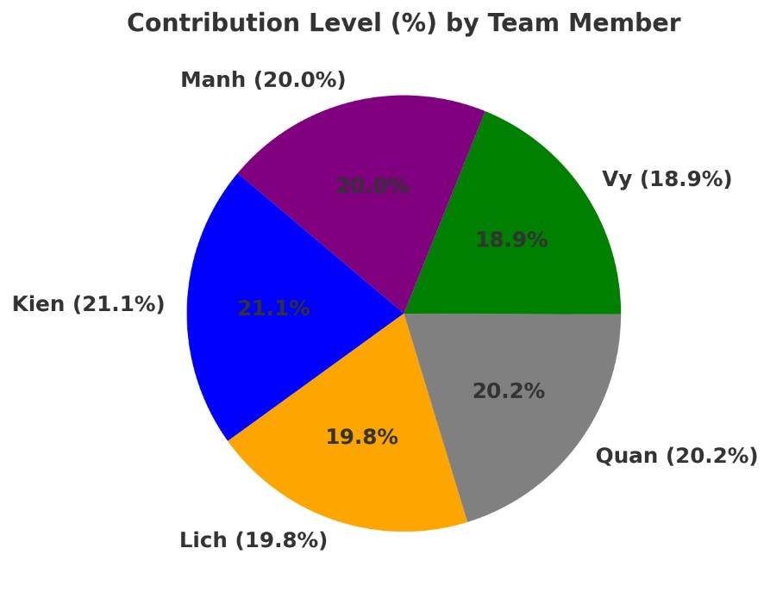
Above you can update actual worked hours every day for each team member to get a total number of hours in the sprint

 |  |  | 410 400 385 370
 |  |  | 335 325
 |  |  | 305 290 280
 |  |  | 245 245 220
 |  |  | 180
 |  |  | 150 125
 |  |  | 100 85 75 75 75 75 65 65 65 65
 |  |  | 14
Burn Down Chart
450
400
350
300
250
200
150
100
50
0
Day Day Day Day Day Day Day Day Day Day Day Day Day Day Day Day Day Day Day Day Day Day Day Day Day Day
1 2 3 4 5 6 7 8 9 10 11 12 13 14 15 16 17 18 19 20 21 22 23 24 25 26

